Description
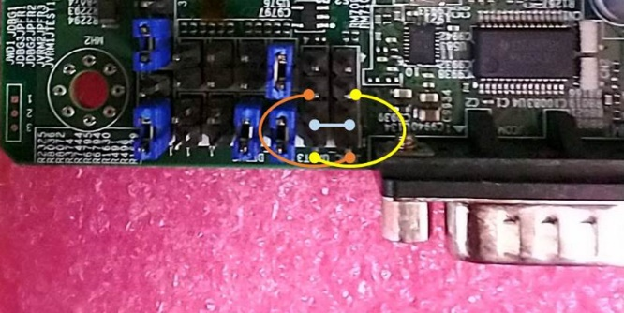
Step:
1 | Connect the cable
 |  | MLB | - | Card
 |  | BMC_RXD3 | - | Card_TX
 |  | BMC_GND | - | Card_GND
 |  | BMC_TXD3 | - | Card_RX

2 | Run OEM Command: OEMGetSetSOLMode , set it to 1
 | java -jar SMCIPMITool.jar 192.168.1.33 ADMIN ADMIN ipmi raw 30 70 6 1

3 | Run SOL

4 | Console in SOL

Note 1. | Switch it back to COM2 as SOL = > Set it as following:
 | java -jar SMCIPMITool.jar 192.168.1.33 ADMIN ADMIN ipmi raw 30 70 6 3 1

 | Run SOL

Note 2. | User can switch it back and forth with this oem command.

H12SSG SOL
Step:
1 | Connect DEBUG and JUART3 as following:
 | DEBUG |  | JUART3
 | TX |  | TX
 | GND |  | GND
 | RX |  | RX

2 | Run OEM Command:
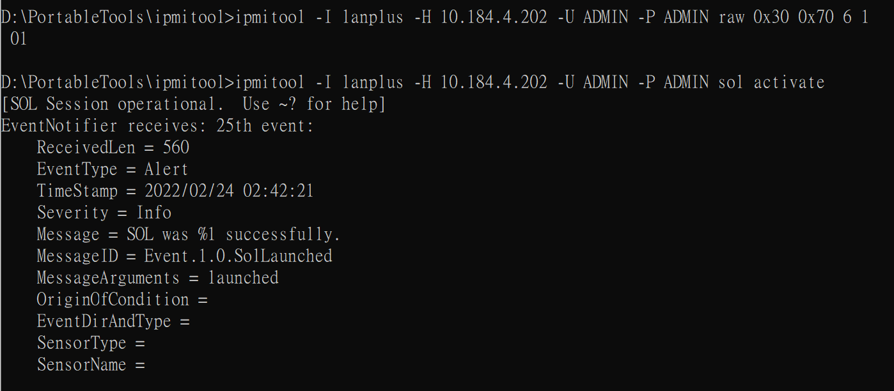

3 | type | ~. | to exit sol

Note | If system reboots, run the oem command again.

sol for ubuntu terminal
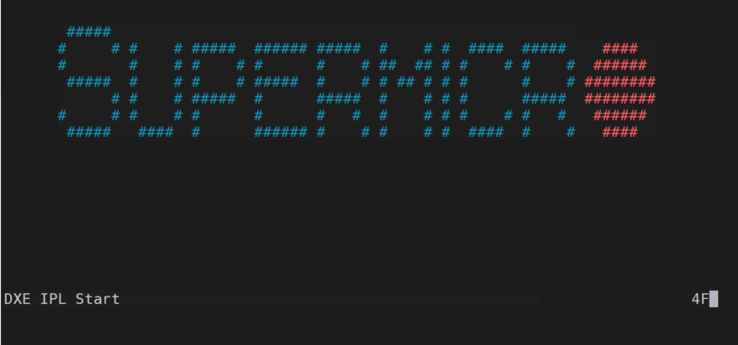
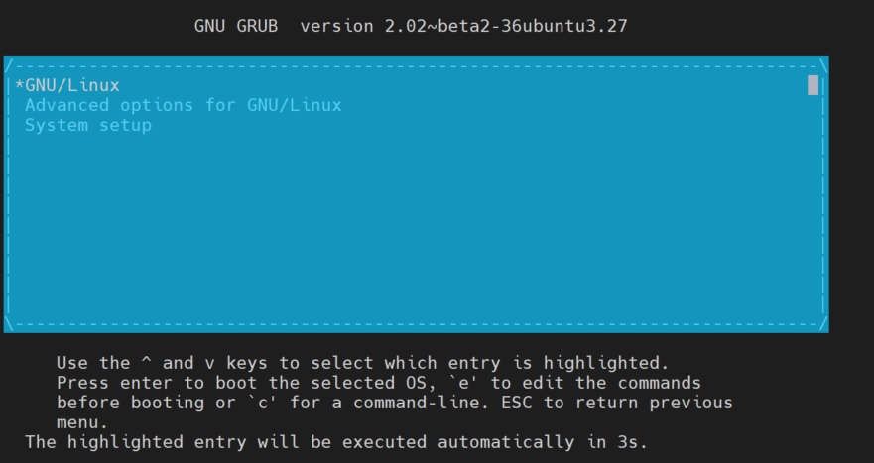
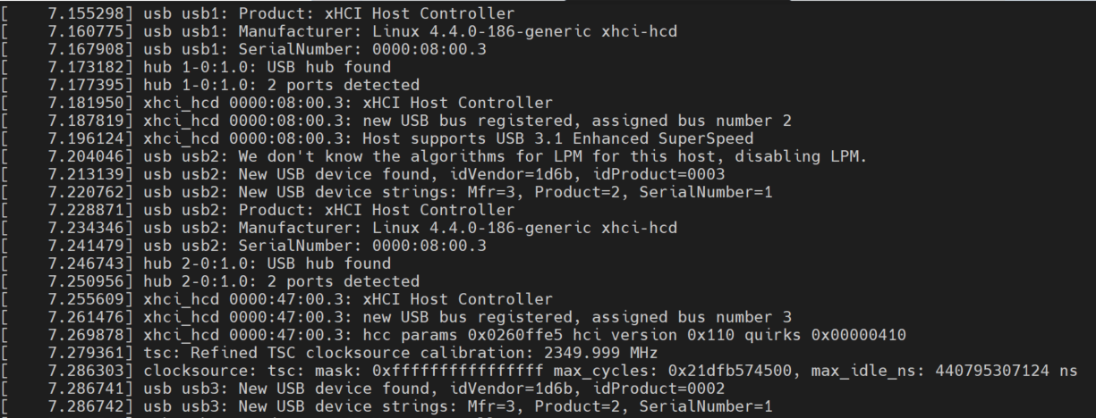
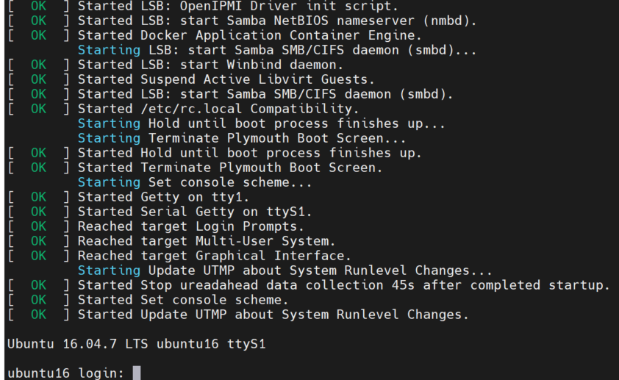
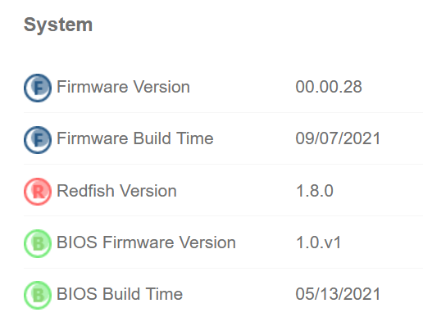
Redirect terminal to SOL in Ubuntu
Step:
1 | configure BIOS setup setting to enable console redirection

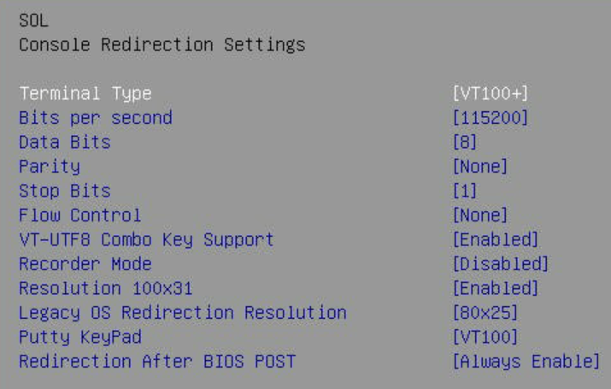

2 | redirect terminal to sol
 | i. | sudo vim /etc/default/grub
 | ii. | add the following:
 |  |  | GRUB_TERMINAL="console serial"
 |  |  | GRUB_CMDLINE_LINUX="console=ttyS1,115200"
 |  |  | GRUB_SERIAL_COMMAND="serial --speed=115200 --unit=0 --word=8 --parity=no --stop=1"

 |  |  | for example>>
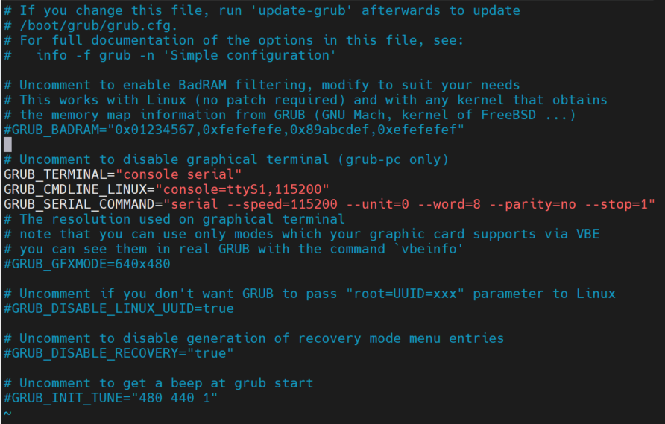

 | iii. | apply it and reboot
 |  | sudo grub-mkconfig -o /boot/grub/grub.cfg

3 | run sol
 |  | ipmitool -I lanplus -H 10.181.90.54 -U ADMIN -P ADMIN sol activate

